CPI SS
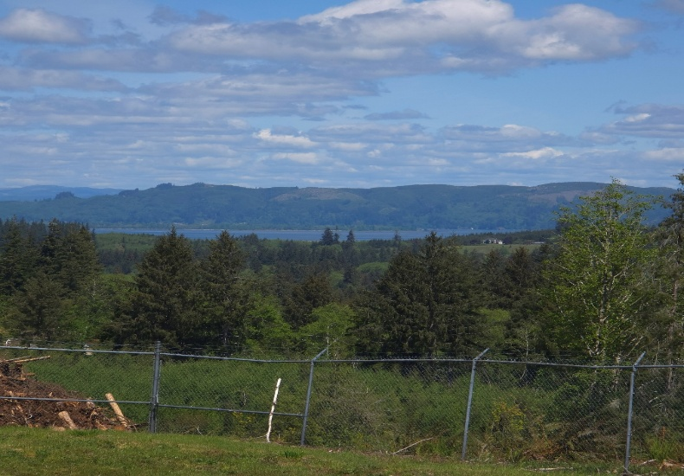
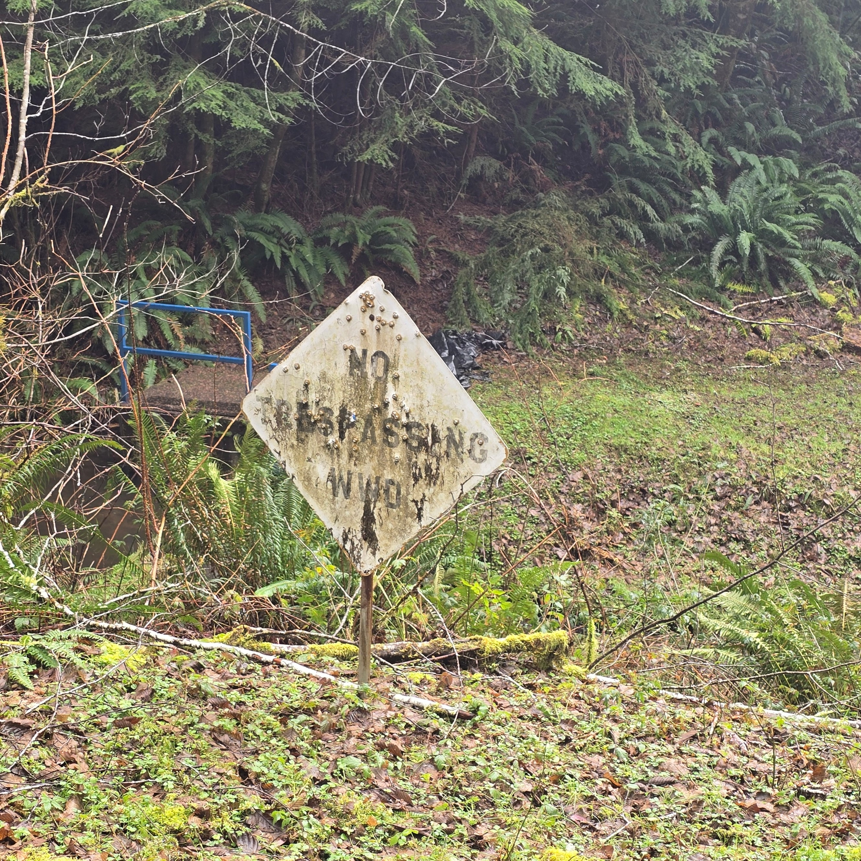
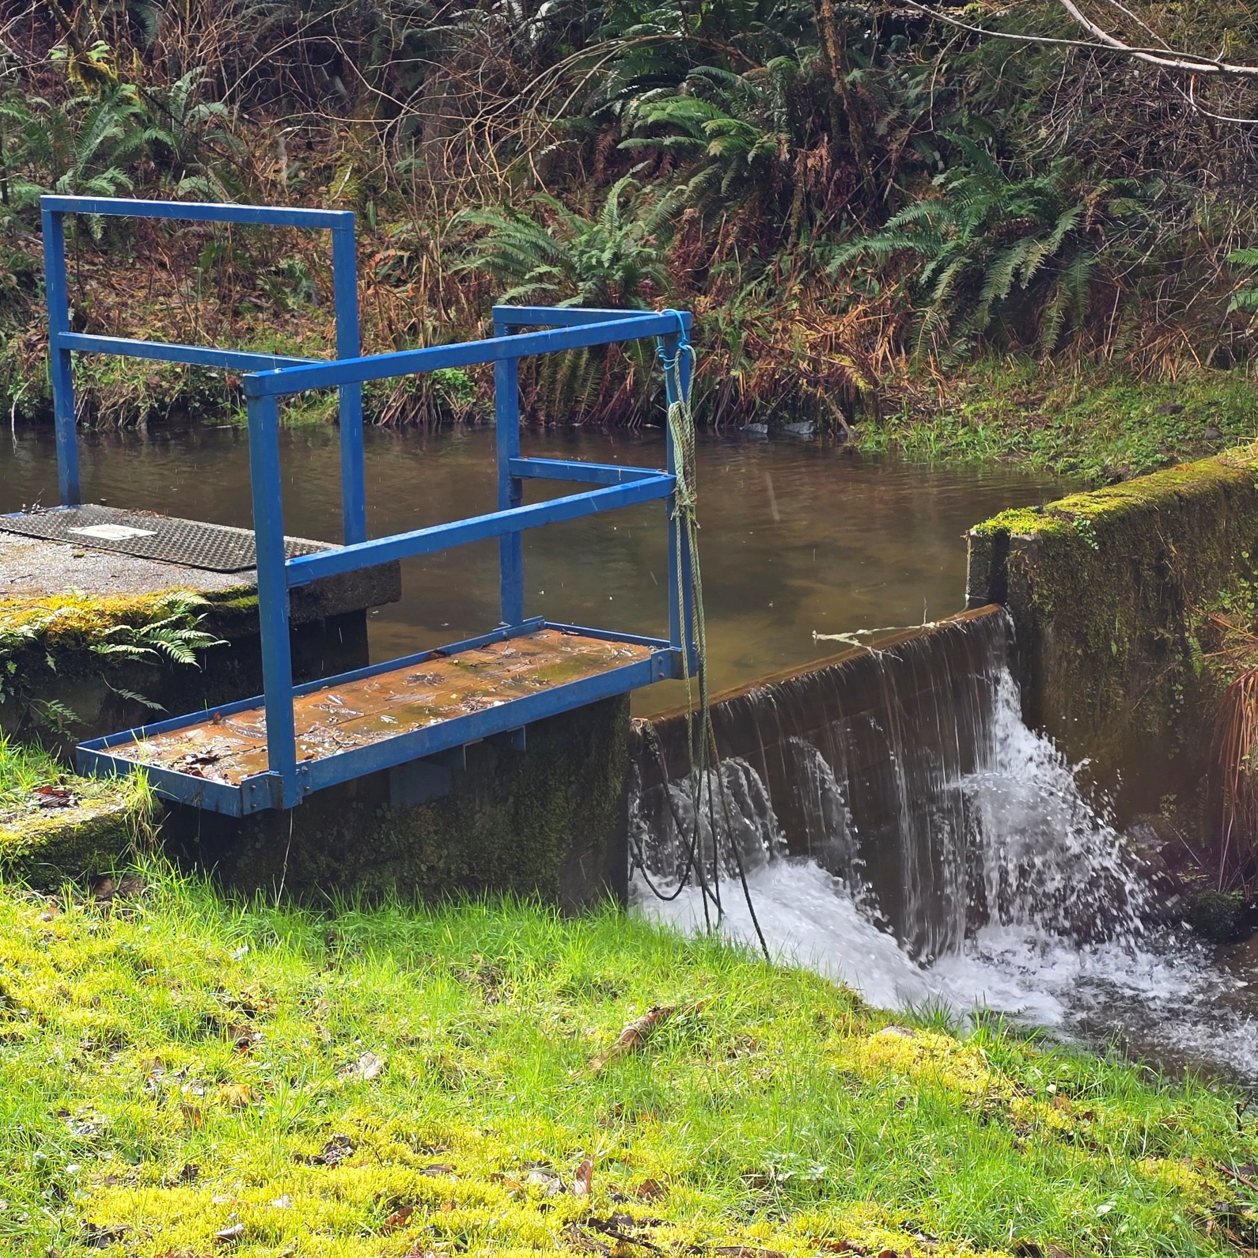
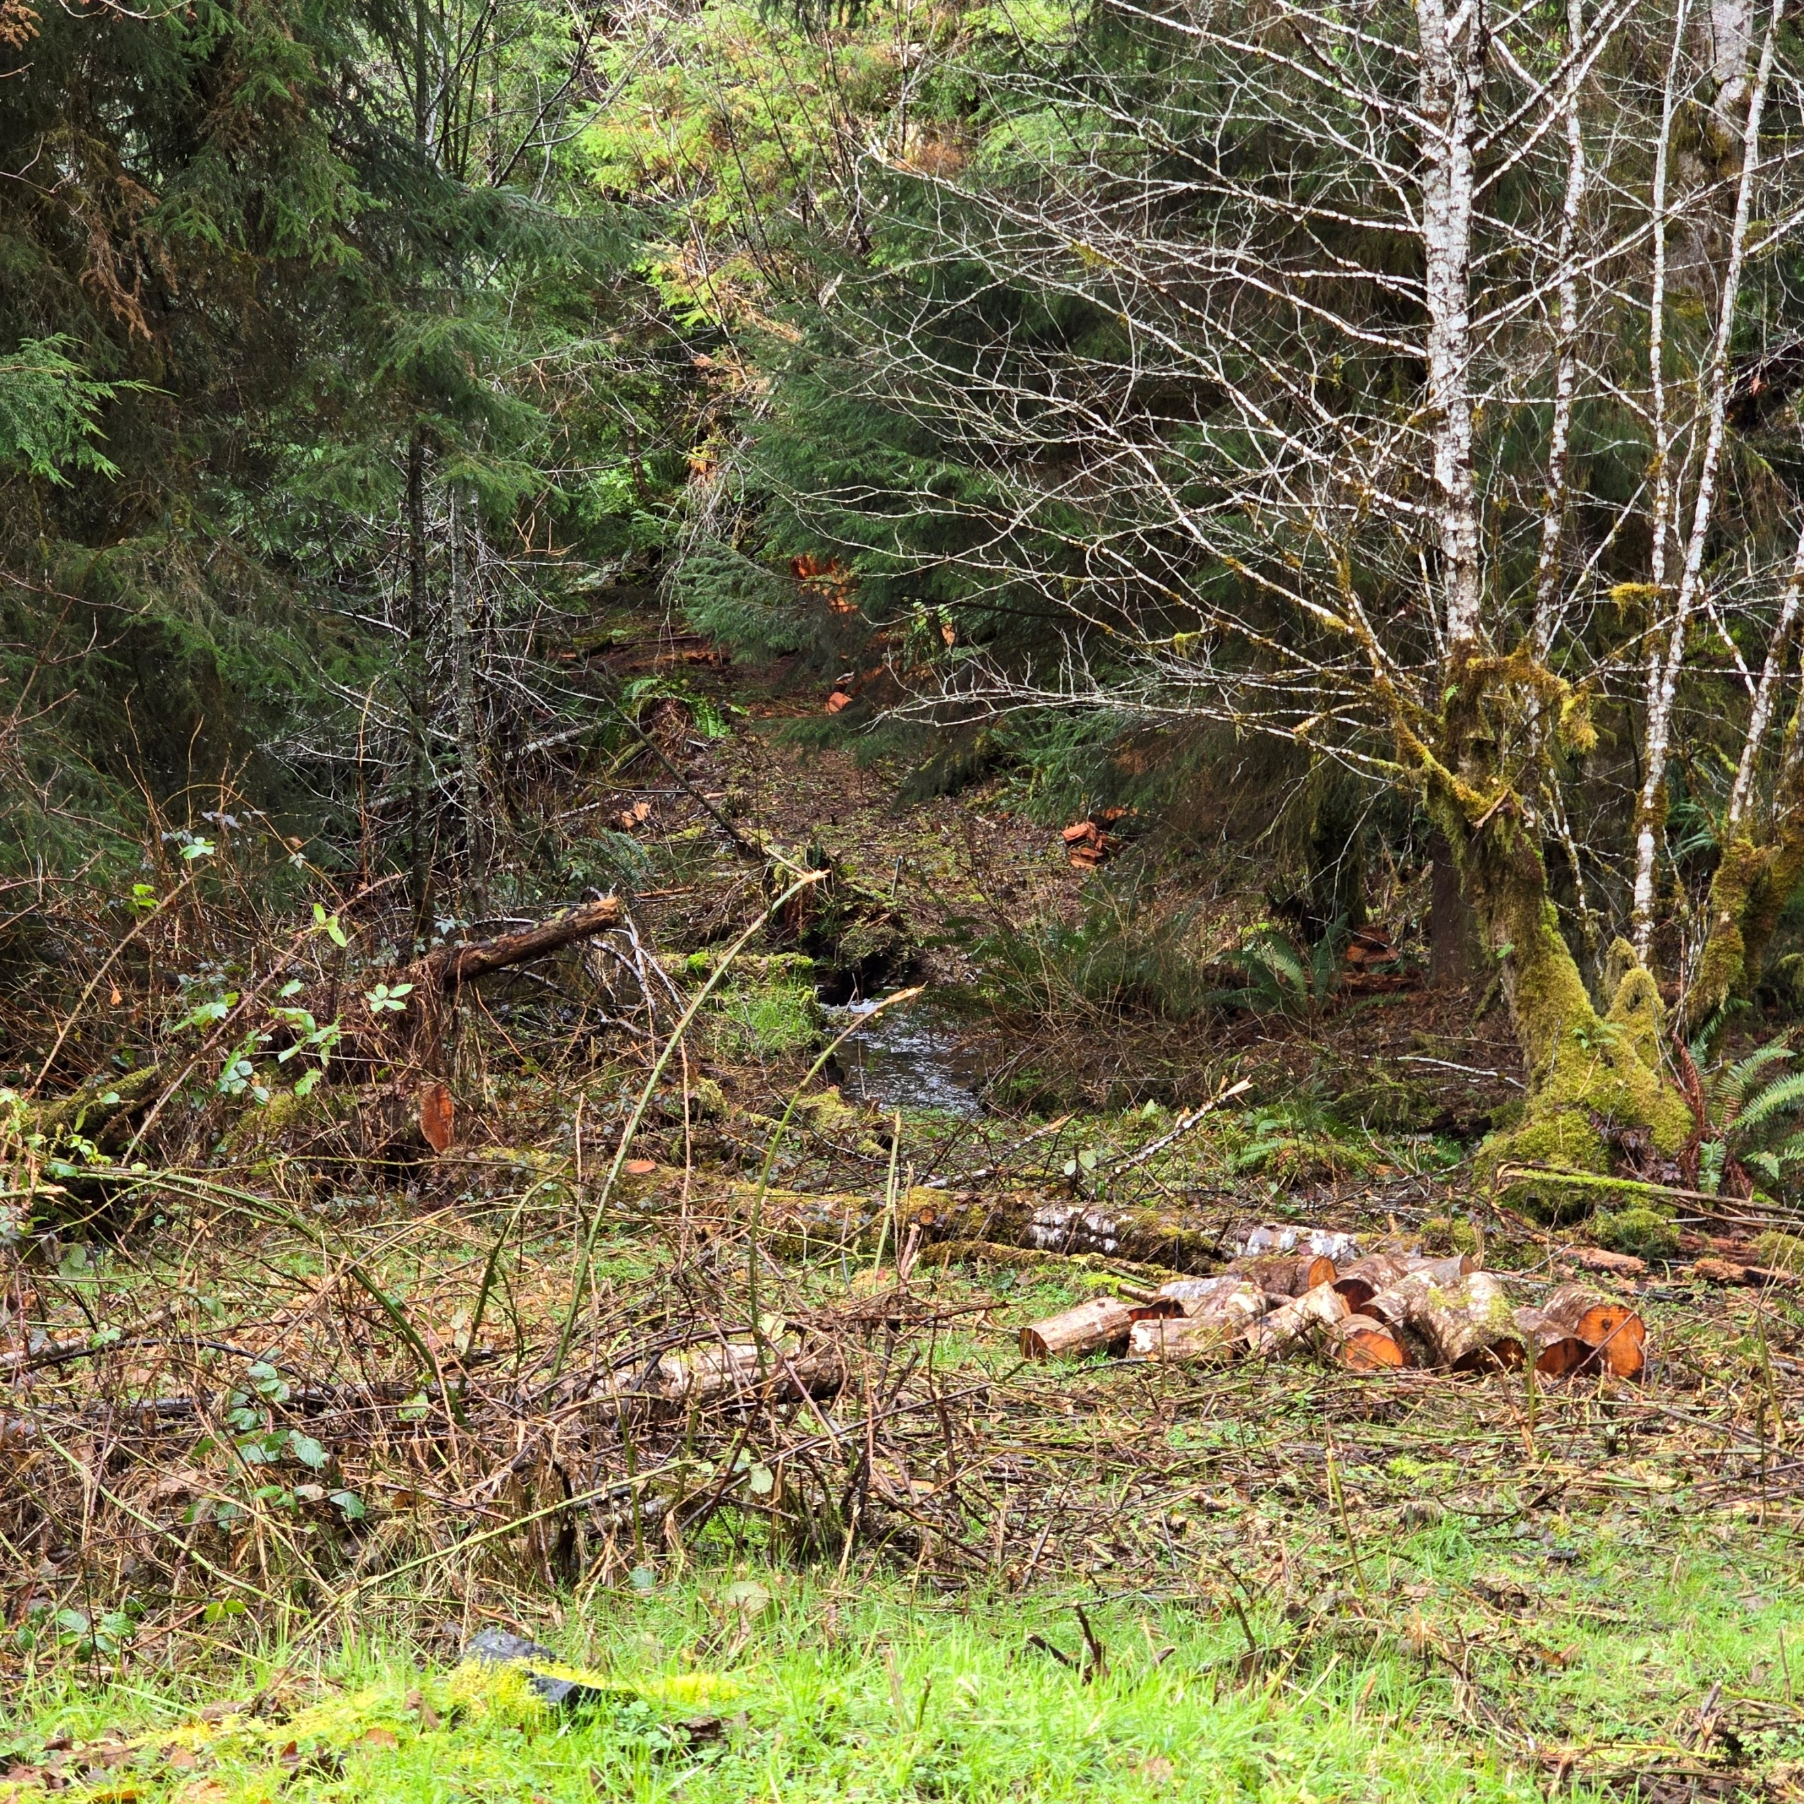
CAPITAL IMPROVEMENT PROGRAM
PROJECT DETAIL SHEET

Project: SLOW SAND AUTOMATION -- Priority #1

Project Cost: Two estimates have previously been received. One from The Automation Group in the amount of $34,430 and one from Correct Equipment in the amount of $16,800 (estimate as of 3/2024)

Description: Built in the 80's, the Slow Sand plant is very basic. Chlorine and soda ash are used to treat the water. The plant is in a rural, remote area approximately a mile or so up a gated logging road. The property is leased. The plant is surrounded by a chainlink fence. Water intakes are located almost two miles further up the road and are posted "no trespassing".

Benefits: There is no automation or telementry at the plant. Even though staff monitors the plant daily, it could be hours before any issue is detected. Some form of automation that would allow the plant to notify the SCADA system at Little Creek if there is a problem, would be extremely benficial. This upgrade would also allow the plant to send data to Little Creek, that would be recorded. This would be extremely beneficial when it came to state reporting.

Cost Calculation: Quotes received from TAG and Correct.

Funding Source: It is proposed that funds be used from the system development account

CPI SS (2)
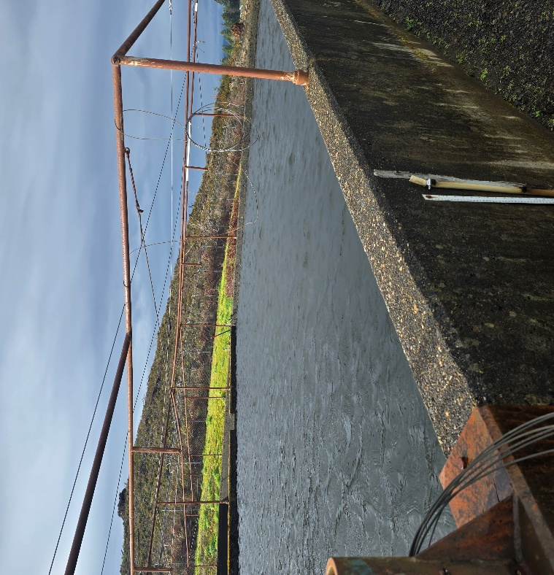
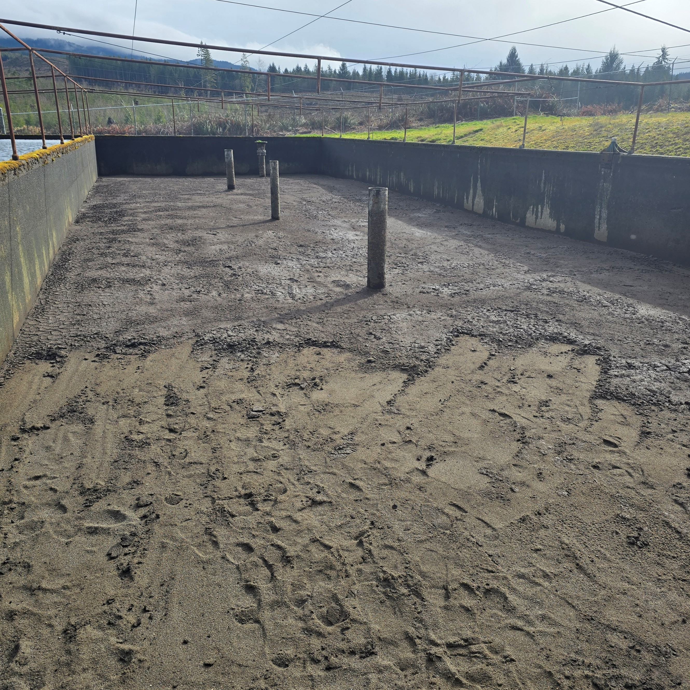
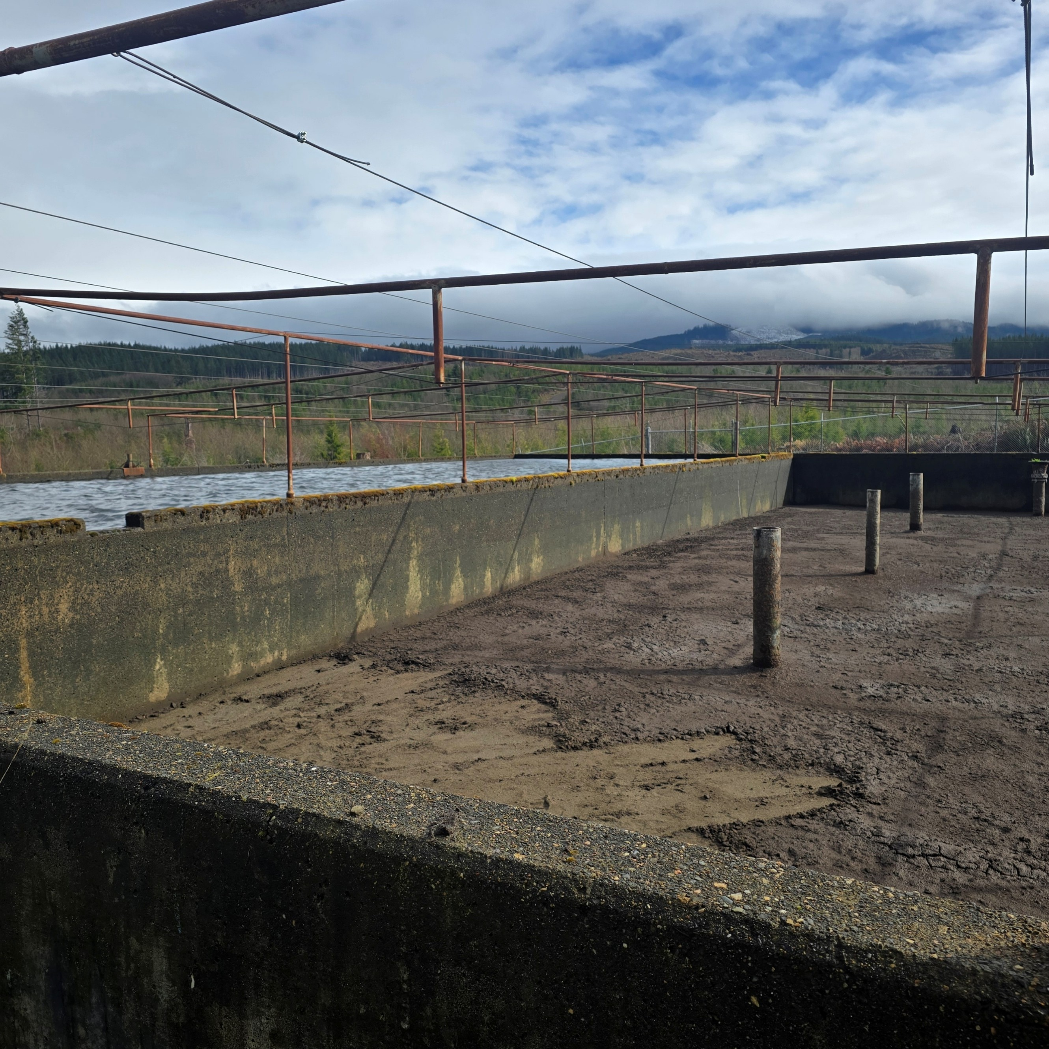
CAPITAL IMPROVEMENT PROGRAM
PROJECT DETAIL SHEET

Project: SLOW SAND FILTER MEDIA -- Priority #4

Project Cost: Unknown
Description: Since the mid 80's, no sand has been added. Although only a very small amount is scraped off, planning needs to begin to start budgetting for replacement sand. 150-350 microns pre-screened and trucked in. Minimum depth of a slow sand filter is 20 to 24 inches. We are currently at 32"

Benefits: Sand is needed to keep the plant running. Without adding sand, the State will not allow use of the filters. State standard is 24" to 48".

Cost Calculation:

Funding Source:

CPI SS (3)
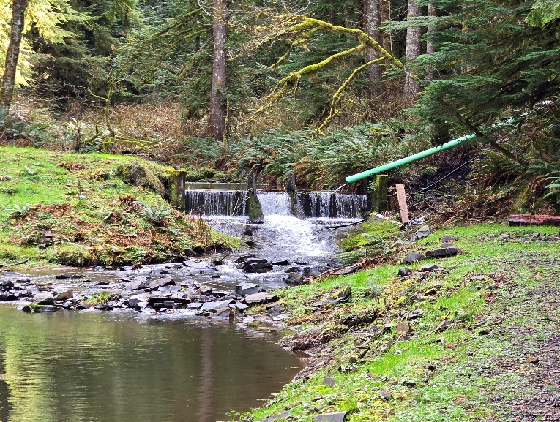
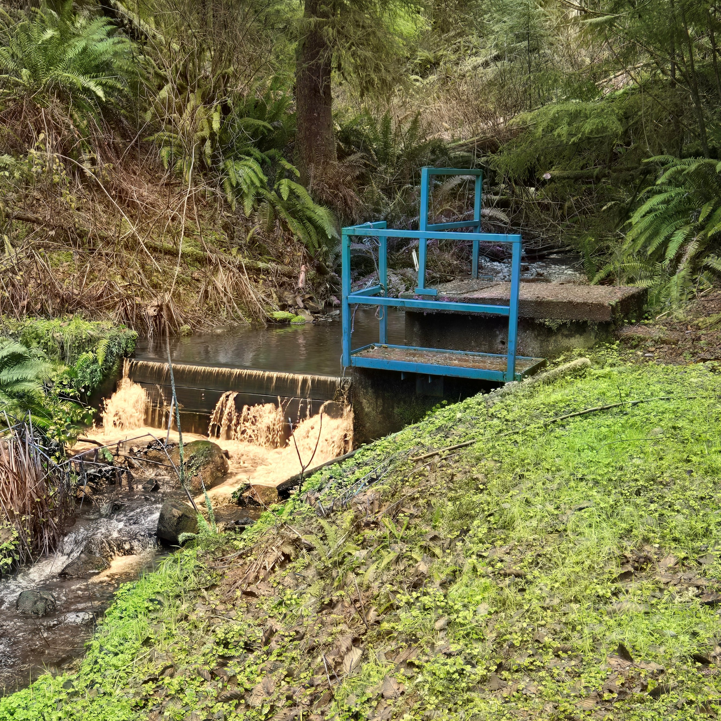
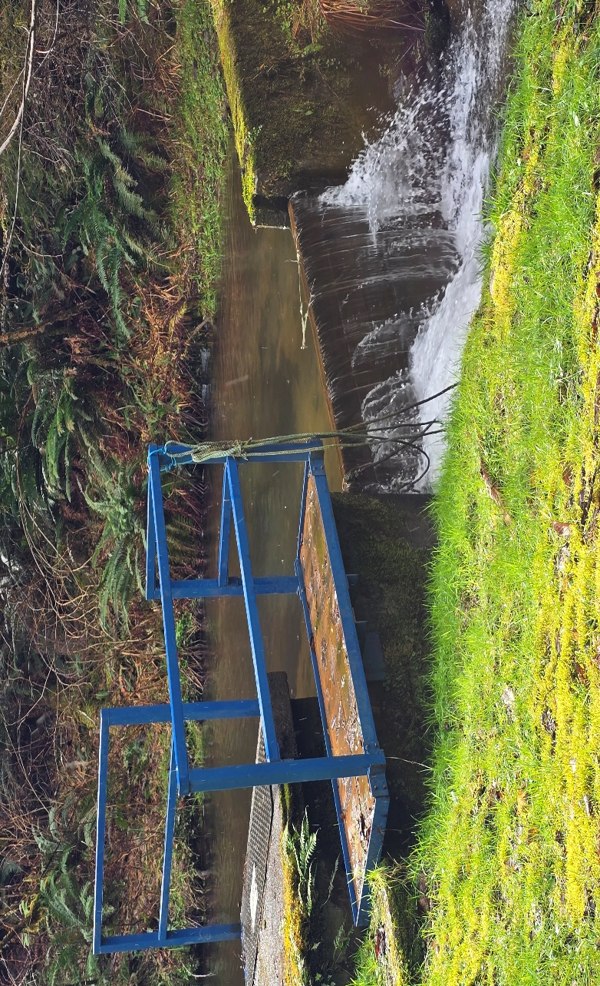
CAPITAL IMPROVEMENT PROGRAM
PROJECT DETAIL SHEET

Project: INSTALL FLOW METERS

Project Cost:

Description: Flow meters installed for the raw water at Slow Sand and Little Creek

Benefits: There would a total of two meters installed at the plants (one at Little Creek and one at Slow Sand) to monitor raw water flow for chemical dosage and setting the flow as to not waste water we don't filter.

Cost Calculation:

Funding Source:

CPI LC
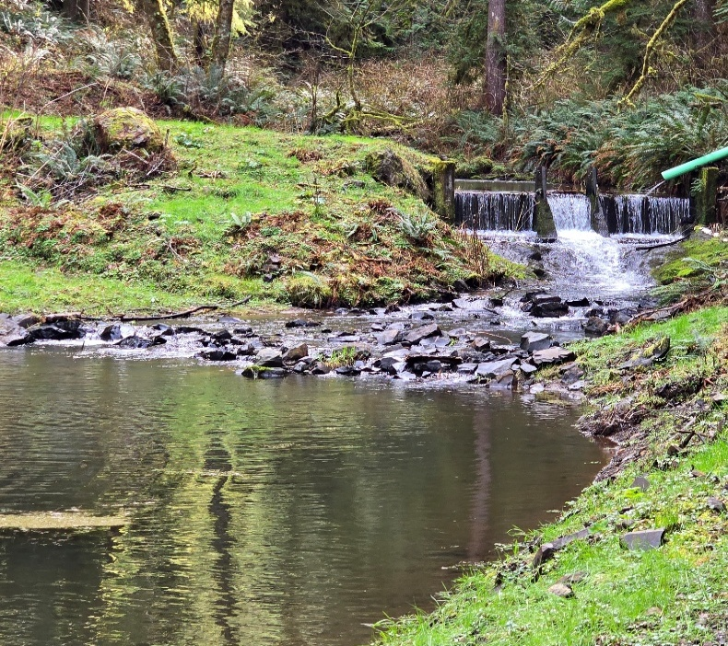
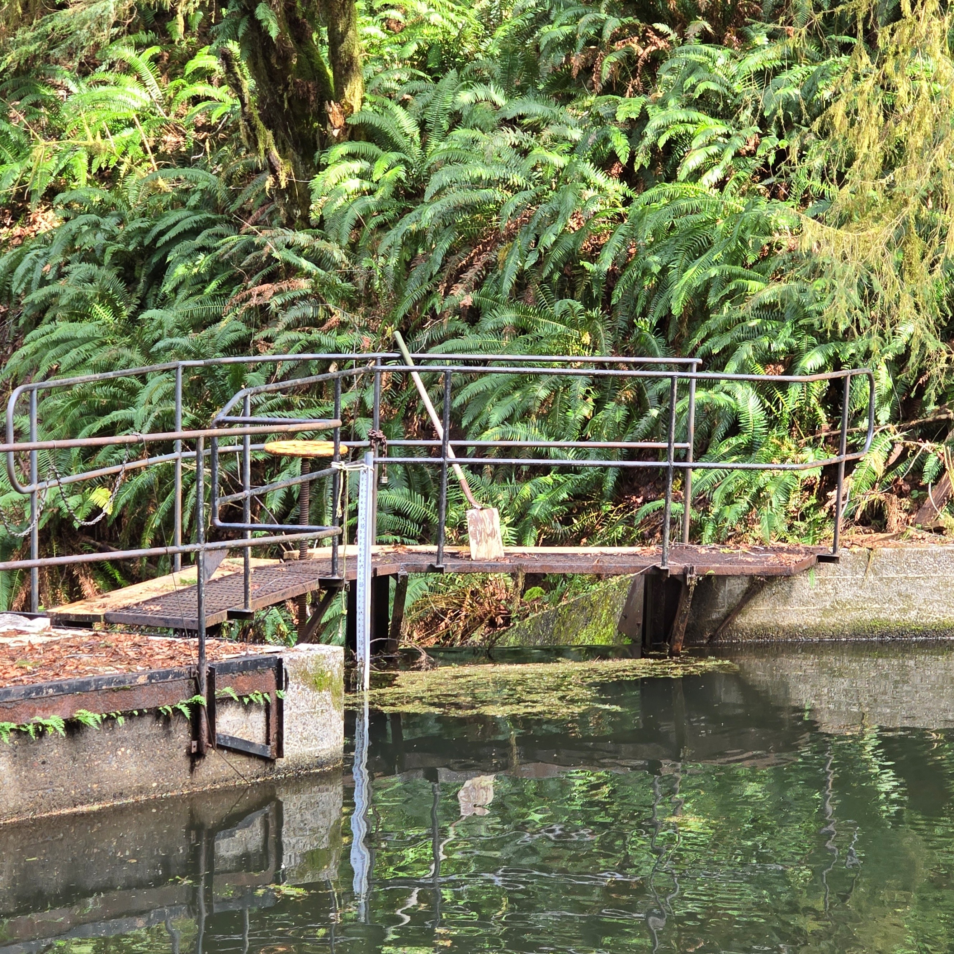
CAPITAL IMPROVEMENT PROGRAM
PROJECT DETAIL SHEET

Project: | LITTLE CREEK PLANT UPDATES -- Priority #3

Project Cost: $160,000 estimate

Description: The Little Creek plant was updated in the mid 90's. A Robert's Filter was installed as well as a SCADA system to be able to monitor the plant remotely. Due to lack of upkeep, the filter media has never been changed and/or maintained. It appears the inside of the cells (technically called a train) need to be repainted. Bearings in the paddles should be replaced. The chemical feeds and analysers are outdated and need to be either installed or upgraded. There have been no upgrades to the SCADA system making it outdated and difficult to work on. In addition, in 2011 WWD received a quote from Robert's Filter to install an Aries Manage Air System. In June 2025, Roberts Filter Group reassessed the filter and provided the recommendations attached.

Benefits: Replacing the filter media will decrease the run time between backwashes as well as allow the filters to work more effectently. This would result in noticeably reduced chemicals, electrial, and backwach water usage. There is no raw water turbidimeter. Without the meter, operators do not know when there is a spike in turbidity (dirty water) and cannot shut down the plant, thus causing dirty water in the cells. There is not a streaming current alayzer. A streaming current analyzer would optimize the dosage of Pass-C. Installing new and/or updated chemical feeds will save on the amount of chemicals used as well as electricty. Updating the SCADA system will enhance cyber security as well as connect with Slow Sand to assist in monitoring the plant.

Cost Calculation: Roberts Filter Group (attached sheet) $125,000.00. Correct Equipment provided the following information: filter media $33,000; effluent pump $2,000; raw water turbidimeter $9,000; streaming current analyser $14,000; and Pass-c dosing pump $6,000. The remainder was for an Aries surface wash. Currently, we use a jet wash to break up sludge.

Funding Source: Unknown. Funding is near impossible to find for general maintence and upkeep costs.

CPI Ivy
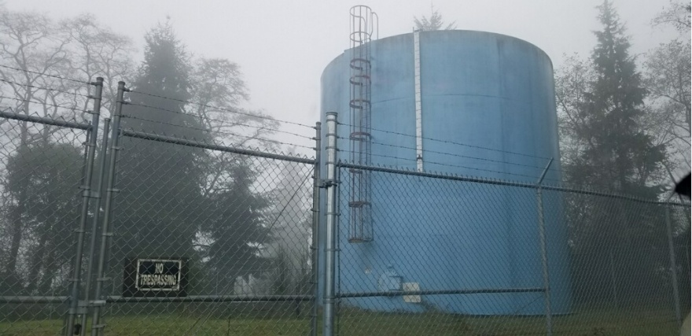
CAPITAL IMPROVEMENT PROGRAM
PROJECT DETAIL SHEET

Project: IVY STATION TANK -- Priority #2

Project Cost:

Description: Wicikup Water District has a 200,000-gallon welded-steel reservior located off Ivy Station Rd. It is recommended the tank be recoated every 5-years. It appears the last recoating took place in 1996.

Benefits: Longevity of the tank. Additional page includes power, flow meter, alarm, and lighting.
Cost Calculation: Curran-McLeod gave a quote of $50,000 in 2019

Funding Source:

CPI Ivy (2)
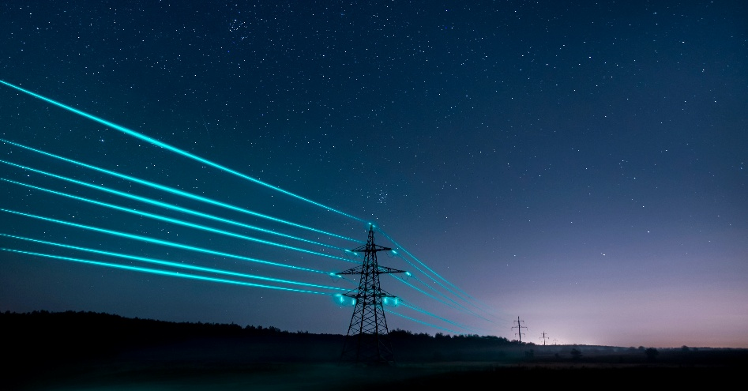
CAPITAL IMPROVEMENT PROGRAM
PROJECT DETAIL SHEET

Project: IVY STATION TANK; ELECTRICITY

Project Cost:

Description: Provide power/electricity to area

Benefits: Security, flow sensors to detect leaks or fire flows, lights for security level indicators.
Cost Calculation:

Funding Source:

CPI System
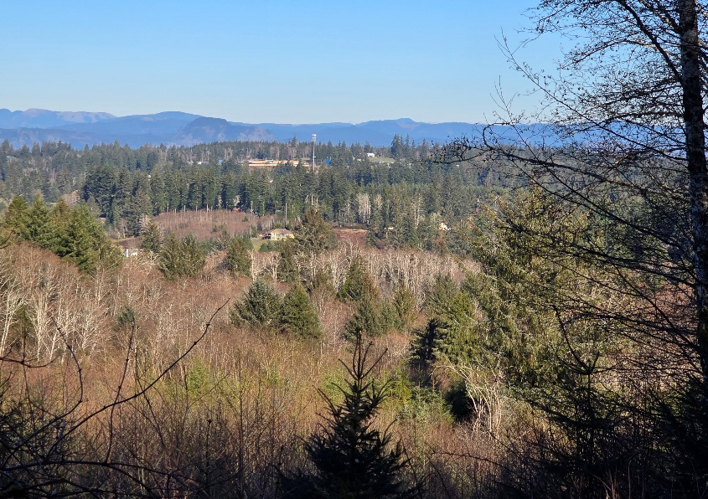
CAPITAL IMPROVEMENT PROGRAM
PROJECT DETAIL SHEET

Project: DISTRIBUTION SYSTEM; WATER MAINS AND HYDRANTS

Project Cost: $2,200,000

Description: It was recommended in the 2019 updated Master Plan that the mains be upgraded to 10" in parts of the system; Akerstedt to Conroy, Hillcrest to Conroy; and Conroy to Old Hwy 30. Replacting aging fire hudrans and upgrading to the current standard of 500 feet apart. Currently, the oldest hydrant is from 1938. Three hydrants have failed since 2021.

Benefits: These upgrades would standarize the size of pipe that is in the ground, increase fire flow to the school, and increase flow to the central areas of the district. Reliable hydrants for emergencies.
Cost Calculation: Curran-McLeod -- 2019

Funding Source: The district will need to seek out grants and other funding opportunities

CPI System (2)
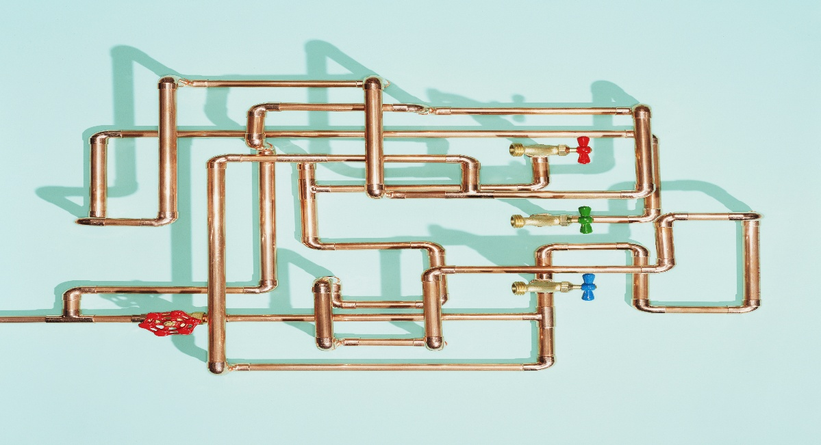
CAPITAL IMPROVEMENT PROGRAM
PROJECT DETAIL SHEET

Project:

Project Cost:

Description: Tie with Knappa Water Association

Benefits: An interconnection with Knappa Water Association for emergency use would be beneficial to both systems and is actually recommended in the Master Plan. In the event of a disaster, either water system could support the other. For emergency purposes only.

Cost Calculation:

Funding Source:

CPI System (3)
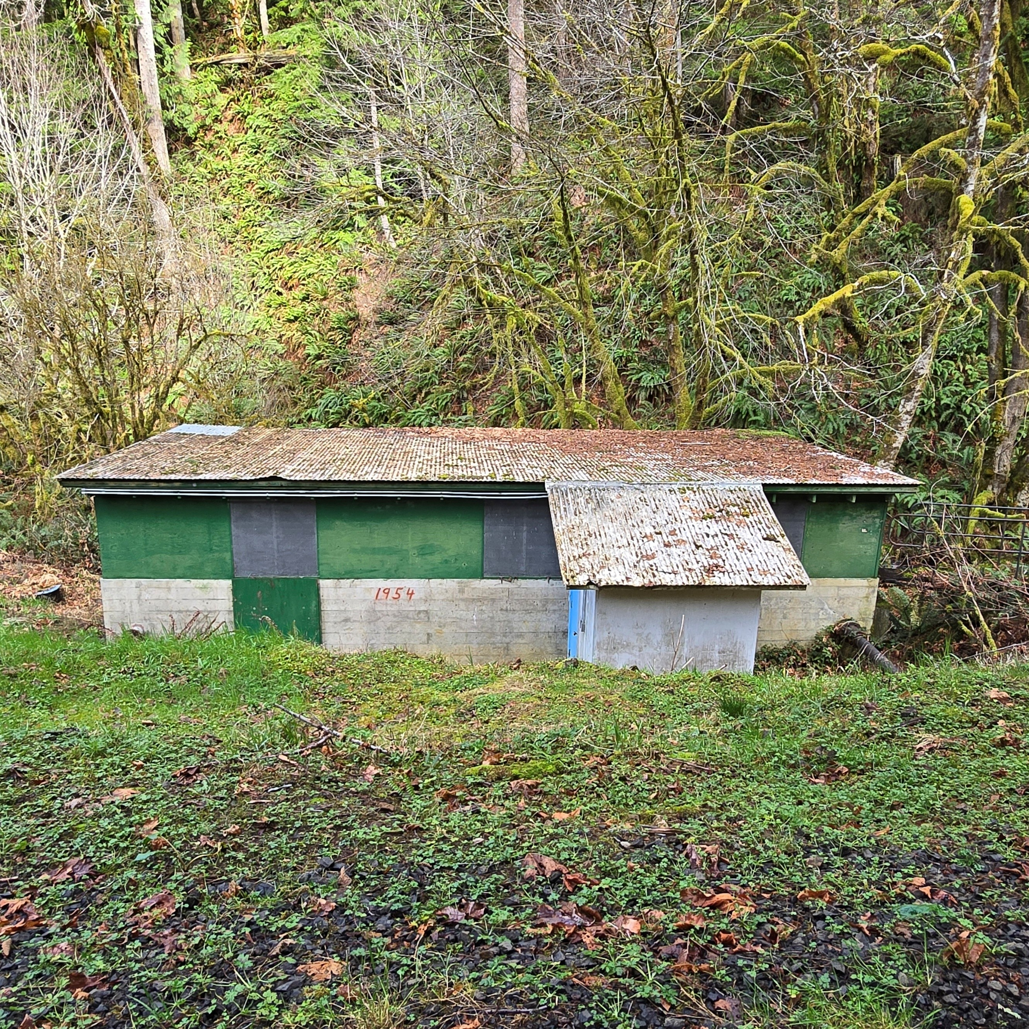
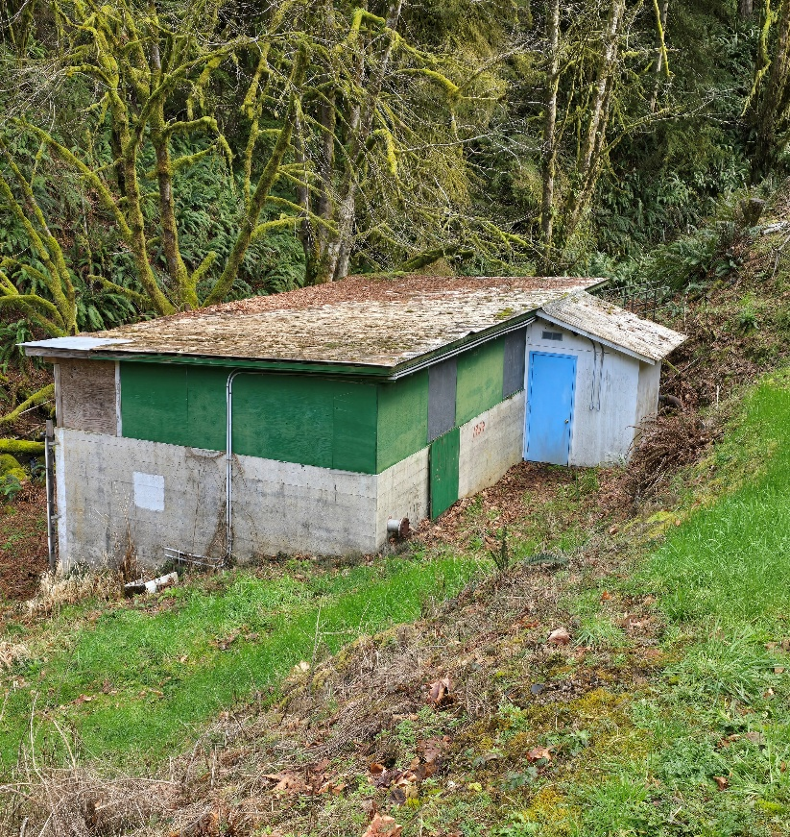
CAPITAL IMPROVEMENT PROGRAM
PROJECT DETAIL SHEET

Project: CLEAR WELL REPURPOSE

Project Cost:

Description: Repurpose the clear well at Little Creek. It could be used to house another filter trane.

Benefits: Possibily less expense than construction of a whole new building
Cost Calculation:

Funding Source:

